Q1
ACTIVITY PR-003 — QUESTION 1

ETC |  | 20-25 minutes
ALO |  | The student will be able to calculate sludge retention time and explain how waste activated sludge flow is used to control SRT.
ABET PO |  | PO-6
EUR-ACE PO |  | PO-2
MÜDEK PO |  | PÇ-1.2
Bloom level |  | Understand

Question |  | Using the prescribed activated-sludge topology and operating conditions below, investigate how waste activated sludge (WAS) flow affects sludge retention time (SRT). Perform a separate steady-state simulation for each specified WAS flow rate. For every case, record the MLSS concentration in the aerated reactor and the MLSS concentration entering the Sludge Unit, and calculate the corresponding SRT. Plot SRT against WAS flow and explain how WAS flow can be used to control SRT in an activated-sludge system.

Topology and Procera Setup
Model template |  | Introductory S-X Model.pct
Influent | Flow | 100 m3/h
 | Pattern | Default Multiplicative
 | Characterizat'n | SO = 0 mg/L, SS = 250 mg/L; XH = 0 mg/L
Reactor | Area | 120 m2
 | Depth | 5 m
 | Aeration | Constant DO @ 2 mg/L
 | Initials | SO = 0 mg/L, SS = 5 mg/L; XH = 1000 mg/L
Clarifier | Area | 200 m2
 | Depth | 3 m
 | Inlet layer | 5
RAS flow |  | 100 m3/h
WAS flow |  | 0.5, 1.0, 1.5, 2.0, 2.5 m3/h
Simulat'n settings |  | Steady-state simulation
Topology figure |  | 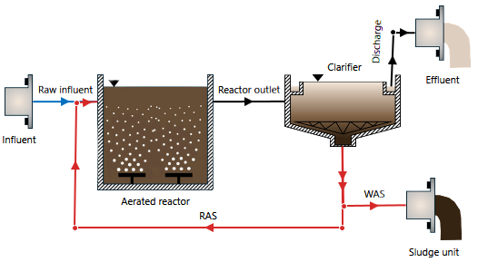 Insert Procera topology screenshot here

Instructions |  | 1. Create a new Procera project using Introductory S-X Model.pct. 2. Build the prescribed topology, including the secondary clarifier, RAS line, and WAS line. 3. Define the influent flow, pattern, and characterization given above. 4. Define the aerated reactor with a surface area of 120 m² and a depth of 5 m. Confirm that Procera calculates a reactor volume of 600 m³. 5. Define the reactor initial characterization and set constant DO to 2 mg/L. 6. Define the secondary clarifier and set the RAS flow to 100 m³/h. 7. Start with a WAS flow of 0.5 m³/h. 8. Run Project Check and perform a steady-state simulation. 9. Record the steady-state MLSS concentration in the aerated reactor and the MLSS concentration entering the Sludge Unit. 10. Calculate the corresponding SRT. 11. Repeat the steady-state simulation for WAS flows of 1.0, 1.5, 2.0, 2.5 m³/h. Change only the WAS flow and keep all other project settings unchanged. 12. Record the required MLSS concentrations and calculate SRT for every case. 13. Plot SRT (d) against WAS flow (m³/h). 14. Explain the relationship between WAS flow and SRT and describe how an operator can use WAS flow to control SRT.

Requir'd submiss'n |  | 1. Complete written answer to Q1, including the completed results table and WAS flow–SRT chart. 2. Procera project file (PCM) for the final simulation case, named Q1.pcm.

